Bug Report
Bug ID | Description | Steps to Reproduce | Attachments | Expected Result | Actual Result | Priority | Severity | Status | Resolution Type | Dev.Comment | QA Comment | Target Date | Reported Date | Reported By
Bug-01 | When enter more digits in the Phone number, there is no error message display. | 1- Open the Sign-up page. 2- Fill with only an invalid phone number. | 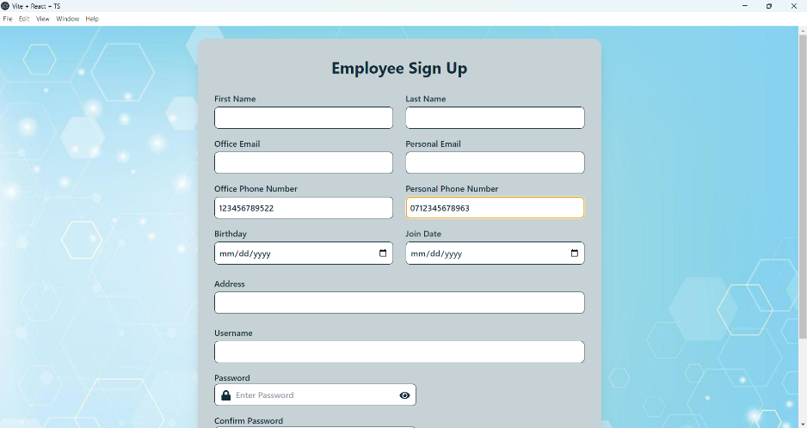 | The error message should be displayed correctly. | FAIL | Medium | Major | Fixed | Duplicate |  |  | N/A | 29/04/2025 | Neelaka P.R.S

